Picture
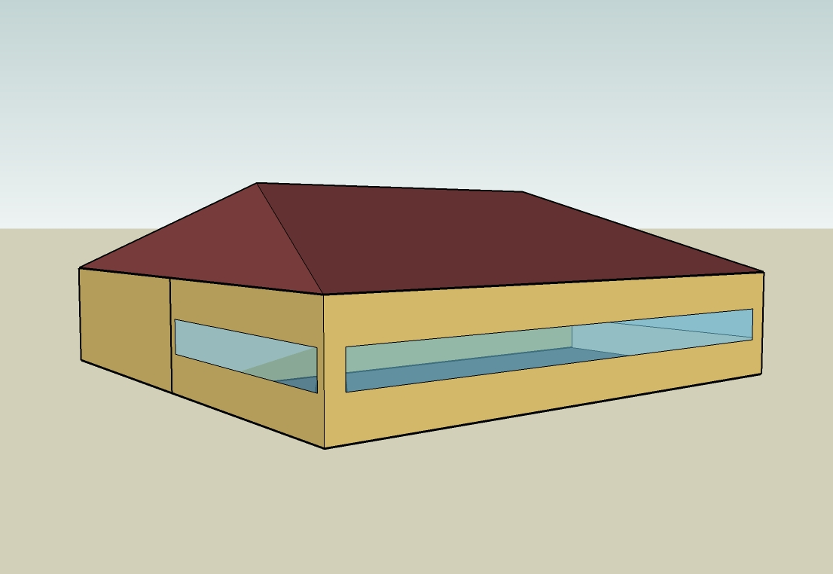
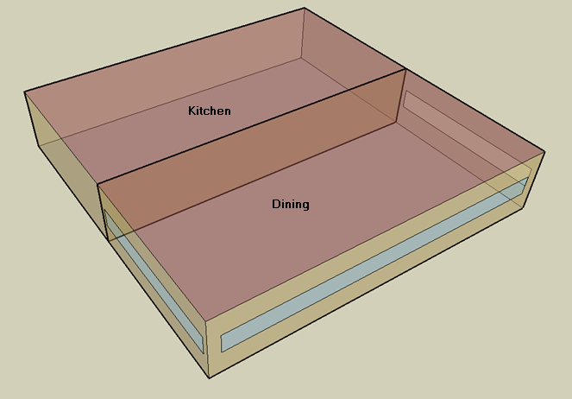
DOE Commercial Building Benchmark - Quick Service Restaurant

Electricity
 | Heating | Cooling | Interior Lighting | Exterior Lighting | Interior Equipment | Exterior Equipment | Fans | Refrigeration
Miami | 0.00 | 33,450.00 | 26,644.44 | 11,058.33 | 113,711.11 | 0.00 | 16,036.11 | 19,200.00
Houston | 0.00 | 24,163.89 | 26,644.44 | 11,038.89 | 113,711.11 | 0.00 | 16,175.00 | 18,336.11
Phoenix | 0.00 | 28,013.89 | 26,644.44 | 11,036.11 | 113,711.11 | 0.00 | 16,330.56 | 18,236.11
Atlanta | 0.00 | 12,330.56 | 26,644.44 | 11,052.78 | 113,711.11 | 0.00 | 15,975.00 | 17,491.67
Los Angeles | 0.00 | 3,038.89 | 26,644.44 | 11,052.78 | 113,711.11 | 0.00 | 15,338.89 | 17,533.33
Las Vegas | 0.00 | 20,102.78 | 26,644.44 | 11,041.67 | 113,711.11 | 0.00 | 15,997.22 | 17,627.78
San Francisco | 0.00 | 886.11 | 26,644.44 | 11,027.78 | 113,711.11 | 0.00 | 15,997.22 | 16,733.33
Baltimore | 0.00 | 9,516.67 | 26,644.44 | 11,041.67 | 113,711.11 | 0.00 | 15,883.33 | 16,936.11
Albuquerque | 0.00 | 8,180.56 | 26,644.44 | 11,038.89 | 113,711.11 | 0.00 | 17,086.11 | 16,850.00
Seattle | 0.00 | 1,238.89 | 26,644.44 | 11,022.22 | 113,711.11 | 0.00 | 15,402.78 | 16,388.89
Chicago | 0.00 | 6,561.11 | 26,644.44 | 11,025.00 | 113,711.11 | 0.00 | 15,986.11 | 16,563.89
Boulder | 0.00 | 5,313.89 | 26,644.44 | 11,027.78 | 113,711.11 | 0.00 | 17,033.33 | 16,422.22
Minneapolis | 0.00 | 5,775.00 | 26,644.44 | 11,033.33 | 113,711.11 | 0.00 | 16,011.11 | 16,405.56
Helena | 0.00 | 3,050.00 | 26,644.44 | 11,019.44 | 113,711.11 | 0.00 | 16,561.11 | 16,052.78
Duluth | 0.00 | 1,947.22 | 26,644.44 | 11,016.67 | 113,711.11 | 0.00 | 15,847.22 | 15,822.22
Fairbanks | 0.00 | 602.78 | 26,644.44 | 10,952.78 | 113,711.11 | 0.00 | 14,513.89 | 15,480.56

Gas
 | Heating | Interior Equipment | Water Systems
Miami | 3,160.00 | 563,910.00 | 54,950.00
Houston | 74,080.00 | 563,910.00 | 64,300.00
Phoenix | 47,450.00 | 563,910.00 | 58,920.00
Atlanta | 147,050.00 | 563,910.00 | 73,300.00
Los Angeles | 27,890.00 | 563,910.00 | 71,560.00
Las Vegas | 85,920.00 | 563,910.00 | 65,390.00
San Francisco | 101,730.00 | 563,910.00 | 79,260.00
Baltimore | 277,670.00 | 563,910.00 | 80,380.00
Albuquerque | 179,190.00 | 563,910.00 | 79,040.00
Seattle | 227,780.00 | 563,910.00 | 84,070.00
Chicago | 404,400.00 | 563,910.00 | 86,590.00
Boulder | 278,350.00 | 563,910.00 | 86,270.00
Minneapolis | 537,520.00 | 563,910.00 | 91,960.00
Helena | 427,630.00 | 563,910.00 | 92,940.00
Duluth | 674,060.00 | 563,910.00 | 100,820.00
Fairbanks | 1,120,040.00 | 563,910.00 | 111,540.00

EUI
 | Cooling (elec) | Interior Lighting (elec) | Exterior Lighting (elec) | Interior Equipment (elec) | Fans (elec) | Refrigeration (elec) | Heating (gas) | Interior Equipment (gas) | Water Systems (gas)
Miami | 518.29 | 412.84 | 171.34 | 1761.90 | 248.47 | 297.50 | 13.60 | 2427.09 | 236.51
Houston | 374.41 | 412.84 | 171.04 | 1761.90 | 250.62 | 284.11 | 318.84 | 2427.09 | 276.75
Phoenix | 434.06 | 412.84 | 171.00 | 1761.90 | 253.03 | 282.56 | 204.23 | 2427.09 | 253.59
Atlanta | 191.06 | 412.84 | 171.26 | 1761.90 | 247.53 | 271.03 | 632.91 | 2427.09 | 315.49
Los Angeles | 47.09 | 412.84 | 171.26 | 1761.90 | 237.67 | 271.67 | 120.04 | 2427.09 | 308.00
Las Vegas | 311.48 | 412.84 | 171.09 | 1761.90 | 247.87 | 273.13 | 369.80 | 2427.09 | 281.44
San Francisco | 13.73 | 412.84 | 170.87 | 1761.90 | 247.87 | 259.28 | 437.85 | 2427.09 | 341.14
Baltimore | 147.46 | 412.84 | 171.09 | 1761.90 | 246.10 | 262.42 | 1195.10 | 2427.09 | 345.96
Albuquerque | 126.75 | 412.84 | 171.04 | 1761.90 | 264.74 | 261.08 | 771.24 | 2427.09 | 340.19
Seattle | 19.20 | 412.84 | 170.78 | 1761.90 | 238.66 | 253.94 | 980.37 | 2427.09 | 361.84
Chicago | 101.66 | 412.84 | 170.83 | 1761.90 | 247.70 | 256.65 | 1740.55 | 2427.09 | 372.69
Boulder | 82.34 | 412.84 | 170.87 | 1761.90 | 263.92 | 254.45 | 1198.03 | 2427.09 | 371.31
Minneapolis | 89.48 | 412.84 | 170.96 | 1761.90 | 248.08 | 254.20 | 2313.51 | 2427.09 | 395.80
Helena | 47.26 | 412.84 | 170.74 | 1761.90 | 256.61 | 248.73 | 1840.54 | 2427.09 | 400.02
Duluth | 30.17 | 412.84 | 170.70 | 1761.90 | 245.55 | 245.16 | 2901.18 | 2427.09 | 433.93
Fairbanks | 9.34 | 412.84 | 169.71 | 1761.90 | 224.89 | 239.86 | 4820.69 | 2427.09 | 480.07

Water
 | Total Building | Water for Electricity (m3)
Miami | 414.19 | 116.60
Houston | 414.19 | 341.81
Phoenix | 414.19 | 6,355.93
Atlanta | 414.19 | 1,231.28
Los Angeles | 414.19 | 3,288.88
Las Vegas | 414.19 | 5,627.36
San Francisco | 414.19 | 3,248.24
Baltimore | 414.19 | 43.98
Albuquerque | 414.19 | 878.69
Seattle | 414.19 | 1,884.09
Chicago | 414.19 | 295.54
Boulder | 414.19 | 863.45
Minneapolis | 414.19 | 294.12
Helena | 414.19 | 11,847.90
Duluth | 414.19 | 287.00
Fairbanks | 414.19 | 185.85

Carbon
 | Carbon Equivalent (kg)
Miami | 71,578.90
Houston | 82,734.88
Phoenix | 76,680.29
Atlanta | 74,889.18
Los Angeles | 33,853.16
Las Vegas | 82,080.59
San Francisco | 35,053.24
Baltimore | 68,905.51
Albuquerque | 93,874.28
Seattle | 29,223.74
Chicago | 120,584.16
Boulder | 94,421.38
Minneapolis | 86,412.49
Helena | 87,907.76
Duluth | 87,462.42
Fairbanks | 83,563.20

LghtSch
Lighting Schedules
 | Weekday | Saturday | Sunday
 | 0.45 | 0.45 | 0.45
 | 0.15 | 0.15 | 0.15
 | 0.15 | 0.15 | 0.15
 | 0.15 | 0.15 | 0.15
 | 0.15 | 0.15 | 0.15
 | 0.45 | 0.45 | 0.45
 | 0.9 | 0.9 | 0.9
 | 0.9 | 0.9 | 0.9
 | 0.9 | 0.9 | 0.9
 | 0.9 | 0.9 | 0.9
 | 0.9 | 0.9 | 0.9
 | 0.9 | 0.9 | 0.9
 | 0.9 | 0.9 | 0.9
 | 0.9 | 0.9 | 0.9
 | 0.9 | 0.9 | 0.9
 | 0.9 | 0.9 | 0.9
 | 0.9 | 0.9 | 0.9
 | 0.9 | 0.9 | 0.9
 | 0.9 | 0.9 | 0.9
 | 0.9 | 0.9 | 0.9
 | 0.9 | 0.9 | 0.9
 | 0.9 | 0.9 | 0.9
 | 0.9 | 0.9 | 0.9
 | 0.9 | 0.9 | 0.9

KitchElecSch
Kitchen Equipment Schedules
 | Weekday | Saturday | Sunday
 | 0.1 | 0.1 | 0.1
 | 0.1 | 0.1 | 0.1
 | 0.1 | 0.1 | 0.1
 | 0.1 | 0.1 | 0.1
 | 0.1 | 0.1 | 0.1
 | 0.1 | 0.1 | 0.1
 | 0.35 | 0.35 | 0.35
 | 0.35 | 0.35 | 0.35
 | 0.25 | 0.25 | 0.25
 | 0.25 | 0.25 | 0.25
 | 0.35 | 0.35 | 0.35
 | 0.35 | 0.35 | 0.35
 | 0.35 | 0.35 | 0.35
 | 0.35 | 0.35 | 0.35
 | 0.25 | 0.25 | 0.25
 | 0.25 | 0.25 | 0.25
 | 0.25 | 0.25 | 0.25
 | 0.35 | 0.35 | 0.35
 | 0.35 | 0.35 | 0.35
 | 0.35 | 0.35 | 0.35
 | 0.25 | 0.25 | 0.25
 | 0.25 | 0.25 | 0.25
 | 0.25 | 0.25 | 0.25
 | 0.25 | 0.25 | 0.25

KitchGasSch
Kitchen Gas Equipment Schedule
 | 0.02
 | 0.02
 | 0.02
 | 0.02
 | 0.02
 | 0.03
 | 0.09
 | 0.14
 | 0.1
 | 0.1
 | 0.22
 | 0.27
 | 0.24
 | 0.21
 | 0.14
 | 0.13
 | 0.15
 | 0.17
 | 0.17
 | 0.17
 | 0.15
 | 0.14
 | 0.12
 | 0.02

DinHeatSch
Dining Heating Set Point Schedules
 | Weekday | Saturday | Sunday
 | 21 | 21 | 21
 | 15.6 | 15.6 | 15.6
 | 15.6 | 15.6 | 15.6
 | 15.6 | 15.6 | 15.6
 | 15.6 | 15.6 | 15.6
 | 21 | 21 | 21
 | 21 | 21 | 21
 | 21 | 21 | 21
 | 21 | 21 | 21
 | 21 | 21 | 21
 | 21 | 21 | 21
 | 21 | 21 | 21
 | 21 | 21 | 21
 | 21 | 21 | 21
 | 21 | 21 | 21
 | 21 | 21 | 21
 | 21 | 21 | 21
 | 21 | 21 | 21
 | 21 | 21 | 21
 | 21 | 21 | 21
 | 21 | 21 | 21
 | 21 | 21 | 21
 | 21 | 21 | 21
 | 21 | 21 | 21

DinCoolSch
Dining Cooling Set Point Schedules
 | Weekday | Saturday | Sunday
 | 24 | 24 | 24
 | 30 | 30 | 30
 | 30 | 30 | 30
 | 30 | 30 | 30
 | 30 | 30 | 30
 | 24 | 24 | 24
 | 24 | 24 | 24
 | 24 | 24 | 24
 | 24 | 24 | 24
 | 24 | 24 | 24
 | 24 | 24 | 24
 | 24 | 24 | 24
 | 24 | 24 | 24
 | 24 | 24 | 24
 | 24 | 24 | 24
 | 24 | 24 | 24
 | 24 | 24 | 24
 | 24 | 24 | 24
 | 24 | 24 | 24
 | 24 | 24 | 24
 | 24 | 24 | 24
 | 24 | 24 | 24
 | 24 | 24 | 24
 | 24 | 24 | 24

KitchHeatSch
Kitchen Heating Set Point Schedules
 | Weekday | Saturday | Sunday
 | 19 | 19 | 19
 | 15.6 | 15.6 | 15.6
 | 15.6 | 15.6 | 15.6
 | 15.6 | 15.6 | 15.6
 | 15.6 | 15.6 | 15.6
 | 19 | 19 | 19
 | 19 | 19 | 19
 | 19 | 19 | 19
 | 19 | 19 | 19
 | 19 | 19 | 19
 | 19 | 19 | 19
 | 19 | 19 | 19
 | 19 | 19 | 19
 | 19 | 19 | 19
 | 19 | 19 | 19
 | 19 | 19 | 19
 | 19 | 19 | 19
 | 19 | 19 | 19
 | 19 | 19 | 19
 | 19 | 19 | 19
 | 19 | 19 | 19
 | 19 | 19 | 19
 | 19 | 19 | 19
 | 19 | 19 | 19

KitchCoolSch
Kitchen Cooling Set Point Schedules
 | Weekday | Saturday | Sunday
 | 26 | 26 | 26
 | 30 | 30 | 30
 | 30 | 30 | 30
 | 30 | 30 | 30
 | 30 | 30 | 30
 | 26 | 26 | 26
 | 26 | 26 | 26
 | 26 | 26 | 26
 | 26 | 26 | 26
 | 26 | 26 | 26
 | 26 | 26 | 26
 | 26 | 26 | 26
 | 26 | 26 | 26
 | 26 | 26 | 26
 | 26 | 26 | 26
 | 26 | 26 | 26
 | 26 | 26 | 26
 | 26 | 26 | 26
 | 26 | 26 | 26
 | 26 | 26 | 26
 | 26 | 26 | 26
 | 26 | 26 | 26
 | 26 | 26 | 26
 | 26 | 26 | 26

